Management Types
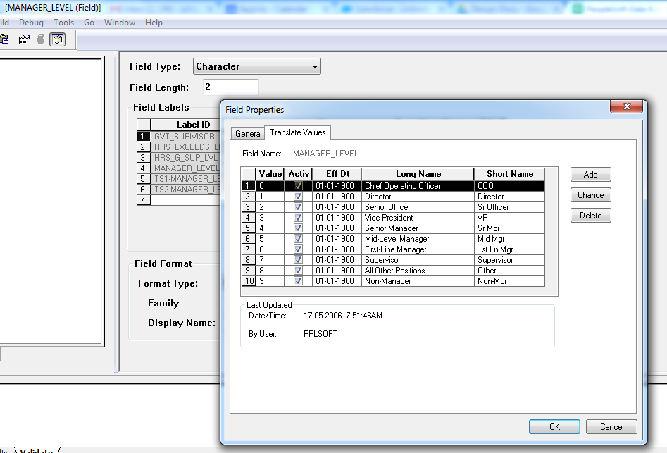
MANAGEMENT TYPES

Fields Mapped:

S. No. | Field description | Required / Optional | Sample Value | PeopleSoft |  | Extraction Type | Remarks
 |  |  |  | Table | Field
1 | Management Type Name | Required | Management Hierarchy | PSXLATITEM | XLATLONGNAME | Formatted/ Transformed | Translate long name of "MANAGER_LEVEL" PeopleSoft field is mapped with this.
2 | Level Hierachy Order | Required | 1 |  |  | Not found | <Blank>

Fields Need consideration with Client:

S. No. | Field | Remarks
1 | Management Type Name
2 | Level Hierachy Order

Note: Below snapshot is taken from Application Designer which shows how data in this sheet has been mapped.

Job Classifications
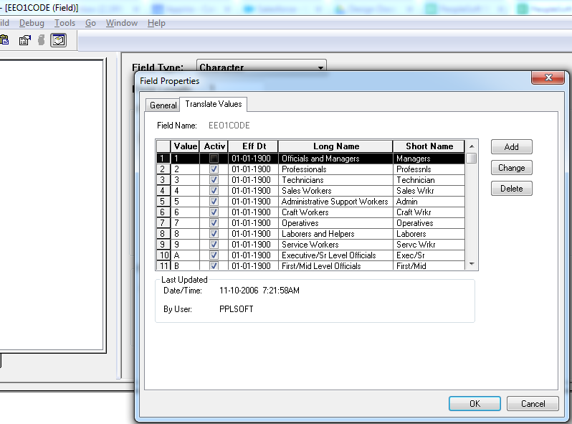
JOB CLASSIFICATION

Fields Mapped:

S. No. | Field description | Required / Optional | Sample Value | PeopleSoft |  | Extraction Type | Remarks
 |  |  |  | Table | Field
1 | Job Classification Name | Required | Supervisors | PSXLATITEM | XLATLONGNAME | As is | Long name for field "EEO1CODE" is been mapped with this column.
2 | Job Classification ID | Required | Supervisors | PSXLATITEM | FIELDVALUE | As is | Field value.
3 | Job Classification Description | Required |  |  |  | Not found | <Blank>
4 | Job Classification Group | Required |  |  |  | Not found | <Blank>

Fields Need consideration with Client:

S. No. | Field | Remarks
1 | Job Classification Description
2 | Job Classification Group

Note: Below snapshot is taken from Application Designer which shows how data in this sheet has been mapped.

